Annex 2 Tech.Doc
USKLAĐENOST PROIZVODA STAKLENIH PRIZMI | SHEMATSKI PRIKAZ STAKLENIH PRIZMI | SHEMATSKI PRIKAZ STAKLENIH PRIZMI
PREMA NORMAMA / | ZA KUPOLU I PRSTENASTI SVOD / | ZA SVETLARNIK PODRUMA /
COMPATIBILITY OF GLASS PRISM PRODUCTS | SCHEMATIC VIEW OF GLASS PRISMS | SCHEMATIC VIEW OF GLASS PRISMS
ACCORDING TO THE STANDARDS | FOR THE DOME AND RING VAULT | FOR THE CELLAR LIGHTER
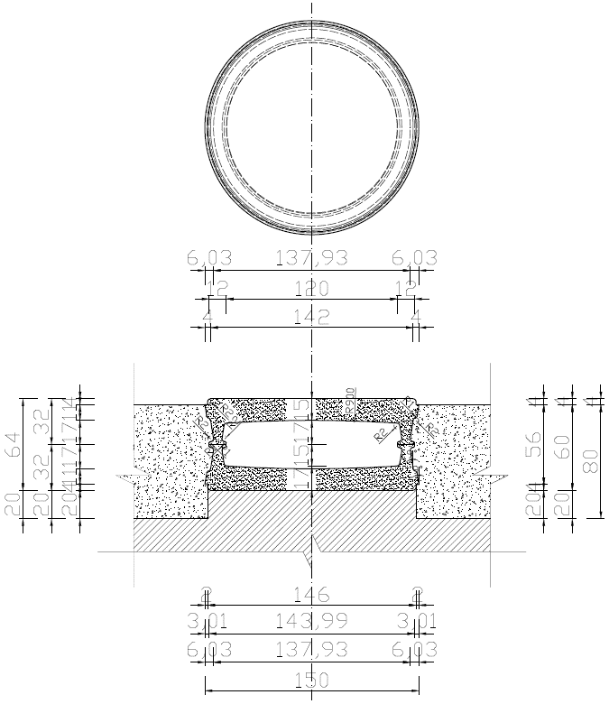
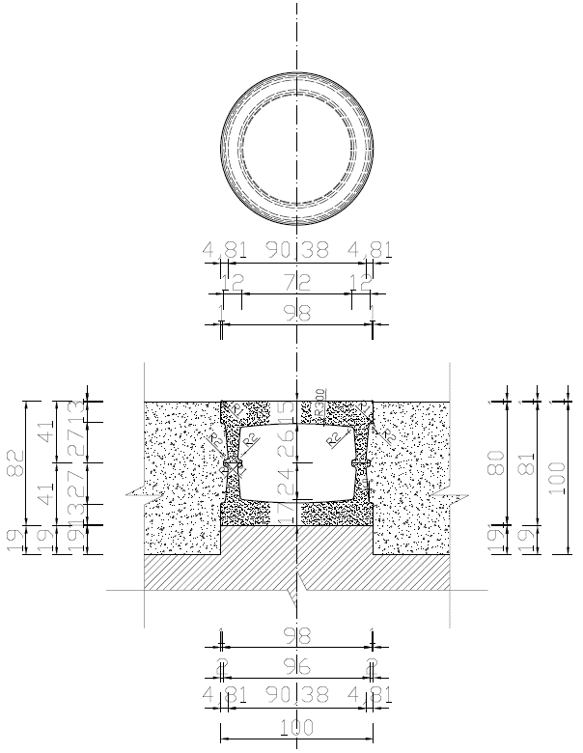
proizvod je siguran ako se upotrebljava kao konstrukcijski element prema /
the product is safe if used as structural elements according to the
EN ISO 1051-1, EN ISO 1051-2 ili jednakovrijedno / or equivalent ….................
reakcija na požar klase A1 prema
reaction to fire of performance class A1
EN 13501-1 ili jednakovrijedno / or equivalent ….................
otpornost na proboj metka prema razine 0
bullet resistance level equal to 0 according to the
EN 1063 ili jednakovrijedno / or equivalent ….................
otpornost na proboj prilikom eksplozije razine 0
explosion resistance level equal to 0 according to the
EN 13541 ili jednakovrijedno / or equivalent ….................
otpornost na proboj prilikom provale razine 0
burglar resistance level equal to 0 according to the
EN 356 ili jednakovrijedno / or equivalent ….................
otpornost prilikom nagle promjene temperature u iznosu od 30K prema
resistance against sudden temperature changes of 30K according to the
EN ISO 1051-2 ili jednakovrijedno / or equivalent ….................
otpornost na opterećenje u iznosu od 15kN prema
resistance to load of 15kN according to the
EN ISO 1051-1 ili jednakovrijedno / or equivalent ….................
razina zvučne izolacije prema vanjskom prostoru klase 0
direct airbone sound insulation class equal to 0 according to the
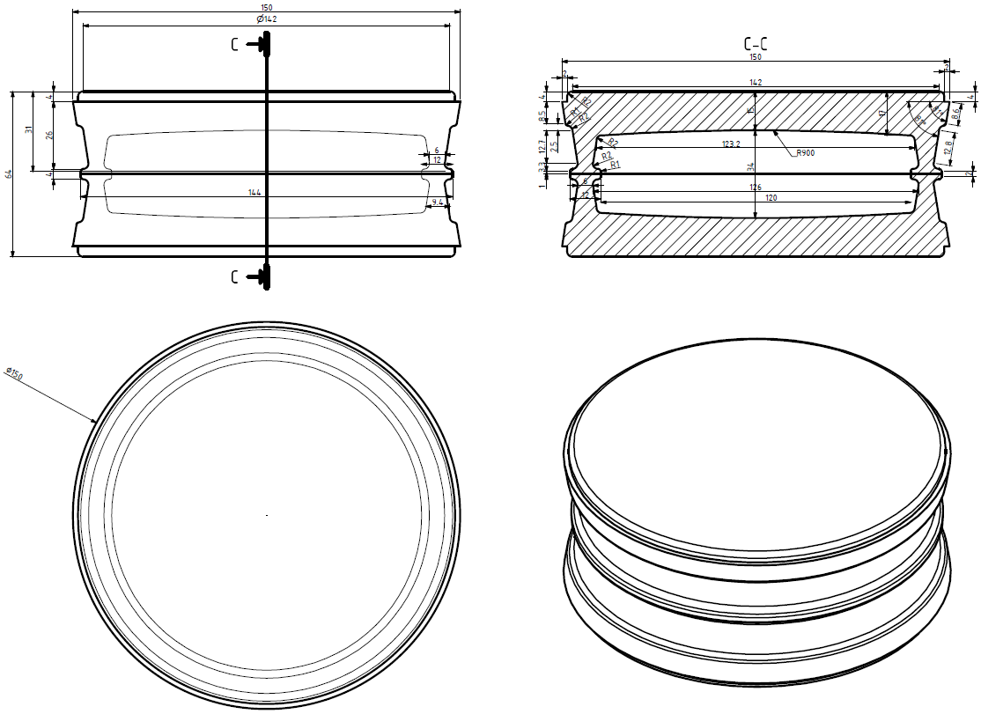
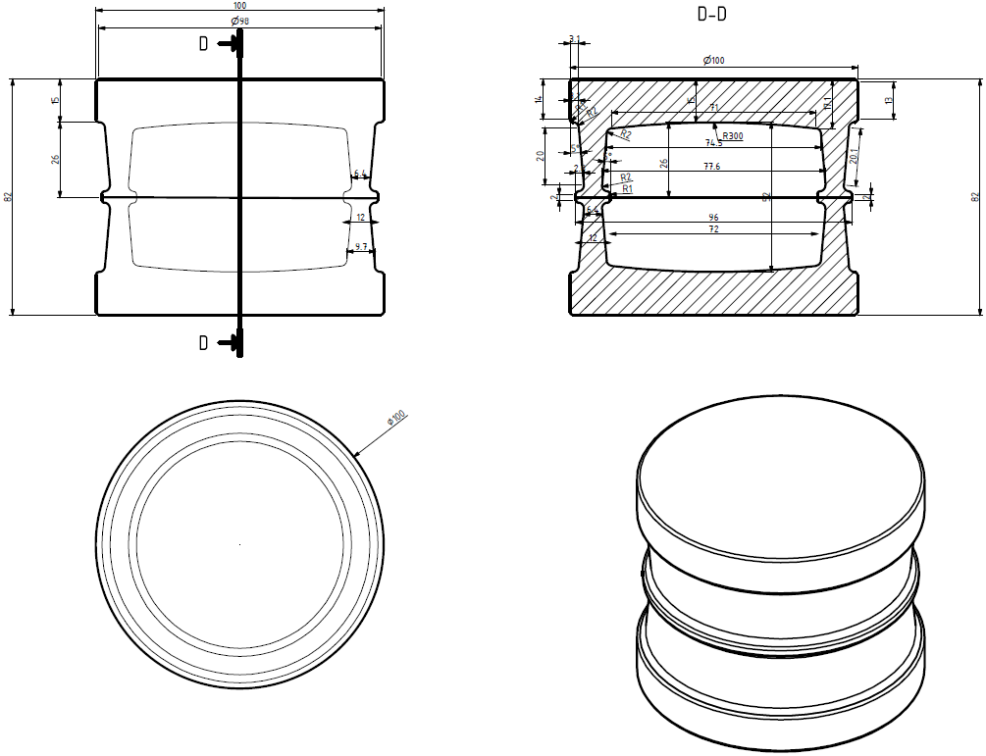
EN 10140-2, EN 717-1 ili jednakovrijedno / or equivalent ….................
toplinska provodljivost u iznosu od najmanje 4W/m2K prema
thermal conductivity of 4W/m2K at least according to the
EN 673 ili jednakovrijedno / or equivalent ….................
indeks svjetlosne transmisije i refleksije u iznosu od najmanje 0,75/0,05 prema
index of light transmission and reflection of 0,75/0,05 at least according to the
EN 410 ili jednakovrijedno / or equivalent ….................
indeks sunčane transmisije i refleksije u iznosu od najmanje 0,75/0,05 prema
index of solar transmission and reflection of 0,75/0,05 at least according to the
EN 410 ili jednakovrijedno / or equivalent ….................

